PURCHASE ORDER
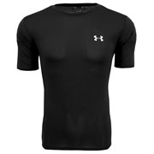

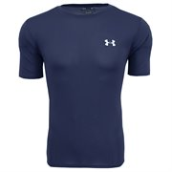
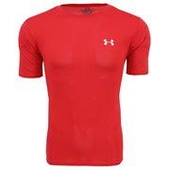
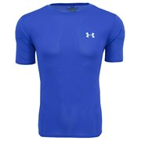
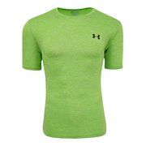
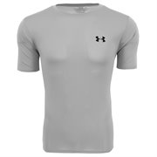
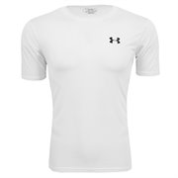
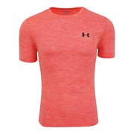
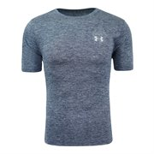


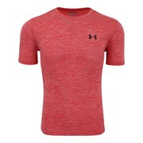
 | Sizes
Description | S | M | L | XL | XXL | # Units | Retail | TOTAL RETAIL | Wholesale
Under Armour Men's Heatgear UA Tech T-Shirt Black | 242 | 240 | 240 | 210 | 233 | 1,165 | $30.00 | $34,950.00 | $15.00
Under Armour Men's Heatgear UA Tech T-Shirt Carbon Heather | 157 | 299 | 296 | 294 | 153 | 1,199 | $30.00 | $35,970.00 | $15.00
Under Armour Men's Heatgear UA Tech T-Shirt Navy | 287 | 240 | 240 | 240 | 239 | 1,246 | $30.00 | $37,380.00 | $15.00
Under Armour Men's Heatgear UA Tech T-Shirt Red | 72 | 156 | 154 | 155 | 70 | 607 | $30.00 | $18,210.00 | $15.00
Under Armour Men's Heatgear UA Tech T-Shirt Royal | 240 | 210 | 240 | 240 |  | 930 | $30.00 | $27,900.00 | $15.00
Under Armour Men's Heatgear UA Tech T-Shirt True Grey Heather | 257 | 240 | 240 | 240 | 242 | 1,219 | $30.00 | $36,570.00 | $15.00
Under Armour Men's Heatgear UA Tech T-Shirt White | 74 | 160 |  | 159 | 73 | 466 | $30.00 | $13,980.00 | $15.00
Under Armour Men's UA Space Dye T-Shirt Coral | 123 | 213 | 220 | 235 | 95 | 886 | $35.00 | $31,010.00 | $17.50
Under Armour Men's UA Space Dye T-Shirt Grey | 111 | 240 | 210 | 240 | 224 | 1,025 | $35.00 | $35,875.00 | $17.50
Under Armour Men's UA Space Dye T-Shirt Lime | 71 | 153 | 140 |  | 238 | 602 | $35.00 | $21,070.00 | $17.50
Under Armour Men's UA Space Dye T-Shirt Navy | 154 | 210 | 210 | 180 | 231 | 985 | $35.00 | $34,475.00 | $17.50
Under Armour Men's UA Space Dye T-Shirt Red | 111 | 218 | 213 | 206 | 105 | 853 | $35.00 | $29,855.00 | $17.50
Under Armour Men's UA Space Dye T-Shirt Royal | 138 | 180 | 180 | 180 | 245 | 923 | $35.00 | $32,305.00 | $17.50
 |  |  |  |  |  | 12,106 |  | $389,550.00

